Variable Importance
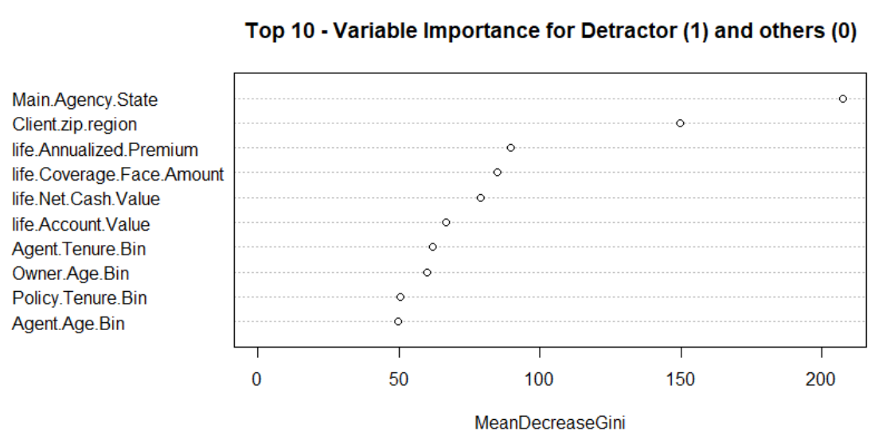
Column Name | MeanDecreaseGini
Main.Agency.State | 207.4914609
Client.zip.region | 149.8665602
life.Annualized.Premium | 89.77656608
life.Coverage.Face.Amount | 84.99939658
life.Net.Cash.Value | 78.72761383
life.Account.Value | 66.54430885
Agent.Tenure.Bin | 61.88330849
Owner.Age.Bin | 59.7717747
Policy.Tenure.Bin | 50.40536338
Agent.Age.Bin | 49.69717828
ann.Net.Cash.Value | 48.18958882
ann.Account.Value | 47.62150818
Agent.Gender | 33.97268835
Owner.Gender | 33.65638655
Life.Policies | 27.54874232
Insured.Underwriting.Tobacco.Code_STANDARD.NON.TOBACCO | 23.70346817
Bill.Frequency_ANNUAL | 20.19848796
Billing.Mode_DIRECT.BILL | 19.75266649
di.Annualized.Premium | 19.44001357
di.Coverage.Face.Amount | 18.67783209
Agent.Type_OTHER | 18.5192549
Bill.Frequency_MONTHLY | 18.21327596
Agent.Change | 18.01615088
Product.Type_VARIABLE | 17.75928947 | OOB Error: | 0.26
Billing.Mode_EFT | 17.46482324
Product.Type_UNIV.LIFE | 17.21409958
AN.Policies | 16.94005288
Insured.Underwriting.Tobacco.Code_PREFERRED.NON.TOBACCO | 15.9590654
Agent.Type_FULL.TIME.AGENT | 15.48115794
Main.Agency.Distribution.Region_INSTITUTIONAL | 15.0461147
Bill.Frequency_QUARTERLY | 14.66725067
Agent.Type_BROKER | 13.04624453
ann.Annualized.Premium | 12.78862183
Product.Type_TERM | 12.68827243
Agent.Type_SERVICE.RECORD | 12.37932771
Insured.Underwriting.Tobacco.Code_STANDARD.TOBACCO | 12.37889793
Insured.Underwriting.Tobacco.Code_PREFERRED.PLUS.NON.TOBACCO | 12.09223677
Insured.Underwriting.Tobacco.Code_UNKNOWN | 11.07782252
DI.Policies | 10.2523366
Product.Type_FIXED | 9.116743043
Billing.Mode_LIST.BILL | 8.904043611
Bill.Frequency_SEMI.ANNUAL | 8.279323043
Main.Agency.Distribution.Region_DI.FOCUSED | 8.165627064
Agent.Type_GA.MANAGER...FULL.TIME.AGENT | 7.823962731
Main.Agency.Distribution.Region_INDEPENDENT..IDC. | 7.520351685
Product.Line_IND.ANNUITY | 6.790663308
Agent.Type_PGA.MANAGER | 6.716916629
Insured.Underwriting.Tobacco.Code_COMPOSITE | 6.181806261
Agent.Type_AMERITAS.ADVISOR.REPS | 6.014933374
RP_COUNT_PLAN | 5.689717031
Agent.Type_VETERAN.FULL.TIME.AGENT | 5.438240719
RP | 5.341400771
Agent.Type_VETERAN.INDEPENDENT.AGENT | 5.267584002
Product.Line_IND.DI | 4.468416025
Product.Type_DISABILITY.INCOME | 4.195877124
Billing.Mode_OTHER | 4.183869368
Insured.Underwriting.Tobacco.Code_SELECT.NON.TOBACCO | 3.99320781
Bill.Frequency_SINGLE.PREMIUM | 3.190460603
Entity | 2.972844629
Insured.Underwriting.Tobacco.Code_PREFERRED.TOBACCO | 1.968323543
Bill.Frequency_BI.WEEKLY | 1.468125047
Main.Agency.Distribution.Region_CLIENT.COMPANY | 1.263907192
Bill.Frequency_SEMI.MONTHLY | 0.877997348
Product.Line_RETIREMENT.PLANS | 0.245280178
Product.Type_ESP | 0.234091261
rp.Coverage.Face.Amount | 0.185036617
Bill.Frequency_WEEKLY | 0.005126359
di.Net.Cash.Value | 0
di.Account.Value | 0
ann.Coverage.Face.Amount | 0
rp.Annualized.Premium | 0
rp.Net.Cash.Value | 0
rp.Account.Value | 0
IND | 0

